Cover
The intersection of Responsible AI and ESG: A Framework for Investors

This set of templates have been developed as part of a joint project between the CSIRO and Alphinity Investment Management. A report has also been published which provides the insights and outcomes of the collaborative partnership. It is intended to be used by equity investors who want to assess the environmental, social and governance (ESG) implications of the design, development and deployment of Artificial Intelligence (AI). It can also be used as a guide for listed companies and other stakeholders that are considering how best to integrate efforts in Responsible AI (RAI).
The accompanying report is accessible via the Alphinity and CSIRO websites
Suggested citation
Alphinity Investment Management (Alphinity) & Commonwealth Scientific and Industrial Research Organisation (CSIRO), The intersection of Responsible AI and ESG: A Framework for Investors, CSIRO, 2024.
Copyright
© Commonwealth Scientific and Industrial Research Organisation 2024. To the extent permitted by law, all rights are reserved and no part of this publication covered by copyright may be reproduced or copied in any form or by any means except with the written permission of CSIRO.
Revision: Version 1 (22 April 2024)
Important disclaimers
CSIRO
CSIRO advises that the information contained in this publication comprises general statements based on scientific research. The reader is advised and needs to be aware that such information may be incomplete or unable to be used in any specific situation. No reliance or actions must therefore be made on that information without seeking prior expert professional, scientific and technical advice. To the extent permitted by law, CSIRO (including its employees and consultants) excludes all liability to any person for any consequences, including but not limited to all losses, damages, costs, expenses and any other compensation, arising directly or indirectly from using this publication (in part or in whole) and any information or material contained in it.
CSIRO is committed to providing web accessible content wherever possible. If you are having difficulties with accessing this document, please contact csiro.au/contact.
Alphinity Investment Management
This material has been prepared by Alphinity Investment Management Pty Limited (ABN 12 140 833 709 AFSL 356895) (Alphinity) in partnership with Commonwealth Scientific and Industrial Research Organisation (CSIRO). It is general information only and is not intended to provide you with financial advice or take into account your objectives, financial situation or needs. To the extent permitted by law, no liability is accepted for any loss or damage as a result of any reliance on this information.
Project team
Jessica Cairns Head of ESG and Sustainability, Alphinity Investment Management
Moana Nottage ESG and Sustainability Analyst, Alphinity Investment Management
Mary Manning Portfolio Manager, Alphinity Investment Management
Qinghua Lu Responsible AI Science Team Leader CSIRO’s Data61
Sunny Lee AI Governance and Architecture Lead CSIRO’s Data61
Harsha Perera Postdoctoral Researcher CSIRO’s Data61
Sarah Kaur Senior Design Thinking Practitioner CSIRO’s Data61
Judy Slatyer Lead, Responsible AI@Scale Think TankNational AI Centre
Contact us
CSIRO
1300 363 400
+61 3 9545 2176
csiro.au/contact
Alphinity Investment Management
esg@alphinity.com.au
alphinity.com.au/contact-us

User instructions
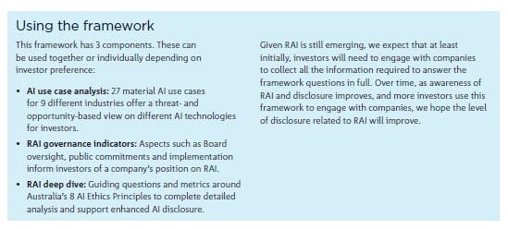
How to use this workbook |  | Using the framework to assess the AI risks for a company
This spreadsheet is developed as a template which can be adjusted by the user (e.g. scoring formula, use cases). There are three tabs, one per assessment step as well as 2 sheets with additional guidance. The following colour scheme is adopted throughout the worksheets: |  | Overview | Getting started
 |  | These instructions are for an equity investor who would like to understand the ESG threats and opportunities associated with a company's AI uses. This framework has 3 components. These can be used together or individually depending on investor preference: | Pre-work. Desktop research Investor reviews public documents (e.g. annual report, recent investor statements) to identify AI use cases. Review ESG guidance sheet
 | Pre-populated assessment factors that can be adjusted |  | Step 1. AI use case analysis Investor identifies AI use cases and reviews the use case materiality and determines which use cases are material.
 | Assessment results to be completed by investor |  | Step 2. RAI governance indicators Investor engages with the company’s investor relations to confirm the use cases and complete the RAI governance assessment.
Copyright (c) 2024 Commonwealth Scientific and Industrial Research Organisation (CSIRO) ABN 41 687 119 230. This work is licensed under |  |  | Step 3. Deep dive assessment The investor reviews the RAI deep dive assessment and confirms the principles that should be subject to further research and review.
Creative Commons Attribution-ShareAlike 4.0 International
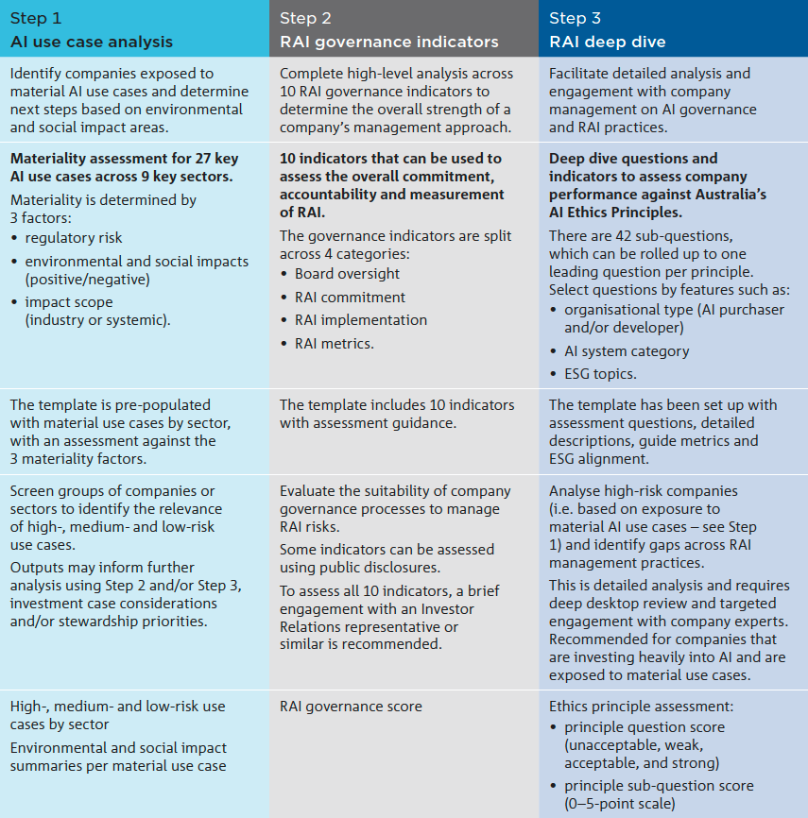
 |  |  | AI use case analysis
 |  |  | 1. Select AI use case sheet.
 |  |  | 2. Navigate the sectors and use cases in the sheet, and identify use cases the company uses. (e.g., Financials sector: Fraud detection and Credit scoring use cases) Add a new use case if necessary (insert a new row).
 |  |  | 3. Review the re.g.ulatory flag of the use cases or go to Risk level sheet, read the definition and re.g.ulatory guidance of AI risk and select/change the risk level of the use cases.
 |  |  | 4. Review the Social and Environmental impact of the use cases. . select + if the use case has positive impacts (opportunities) on the E/S topic. . select - if the use case has ne.g.ative impacts (threats) on the E/S topic. . select +/- if the use case has both opportunities and threats on the E/S topic. . select N/A if the use case has limited impact on the E/S topic. Review or write E&S impact guidance. E&S impact level is automatically determined based on the number of material topics. . high- if, > 7 . medium-if, > 3 & <= 7 . low- if, <= 3
 |  |  | 5. Review the impact scope of the use cases; go to Impact scope sheet, read the definitions of Systemic and Industry and select/change the impact scope.
 |  |  | 6. Review the materiality level of the use cases; the materiality level is automatically determined based on the re.g.ulatory flag (risk level), E&S impact level, and impact scope. for example, . Fraud detection is medium material use case (medium-medium-industry) . Credit scoring is high material use case (high-medium-systemic)

 |  |  | RAI governance indicators
 |  |  | 1. Engage with the company (interviews/surveys) with the company's investor relations.
 |  |  | 2. Select RAI governance indicators sheet.
 |  |  | 3. Complete the RAI governance asessement form; go through the 10 indicators and score (YES/NO) based on the assessment guidance.

 |  |  | RAI deep dive assessment
 |  |  | 1. Select RAI Deep Dive sheet.
 |  |  | 2. Navigate 8 AI ethics principles and select the relevant principles to assess; invester can decide this based on the assessment results from the previous steps.
 |  |  | 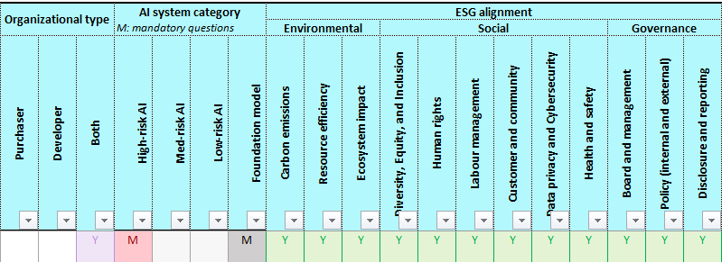 3. Filter questions based on the company context, the AI use case features and ESG topics. ESG alignment is a guide only and can be reviewed based on investor interpretation and interest.
 |  |  | 3a. Filter oganizational type . Purchaser: if the company is a just AI user, not developing the AI systems. . Developer: if the company developes its own AI systems. . Both: if both purchaser and developer. e.g., buy AI components (e.g., foundation models) and devlope its own AI systems.
 |  |  | 3b. Filter AI system (based on regulation risk level guidance) . High: select M to see mandatory questions for high-risk AI, and/or R to see recommended questions. . Medium: select M to see mandatory questions for medium-risk AI, and/or R to see recommended questions.. . Low: select R to see recommended questions for low-risk AI. . Foundation model: select M to see mandatory questions for foundation model, and/or R to see recommended questions.
 |  |  | 3c. Filter 12 ESG topics based on investor interests and intentions for assessing the company.
 |  |  | 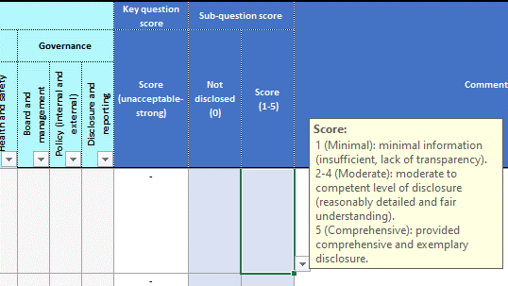 4. Score each question based on investor judgment, taking into account company engagement, desktop research, and other evidence. . Score 0: if the company does not disclose anything about the question. . Score 1-5: investor's judgement depending on the extent and quality of the company's disclosure about the question.
 |  |  | 5. Go to the lead (key) question for the selected principles, and review the guidance for scoring. . Select final score from the drop-down list; unacceptable/weak/moderate/strong. . Write comments about the company's overall responsible AI practices.

2. RAI Governance Indicators
Responsible AI Governance Indicators

Responsible AI Governance Performance
Category | Indicator |  | Description | Assessment guidance | Addressed? | Example graph output
Board oversight The capability of directors in the digital and AI skillset is crucial in an era where companies must be guided effectively through the challenges and opportunities presented by new technology. The Board should pursue an understanding of AI capabilities and limitations, undergo training and receive structured reporting of RAI performance. RAI should be stated as an explicit responsibility of Board member(s) or a relevant Board subcommittee. | 1 | Board accountability | RAI is a responsibility of a Director or Board subcommittee Structured reporting on RAI to Board | RAI is explicitly mentioned as part of the responsibility of the Board or a relevant Board subcommittee (e.g. risk committee or ESG committee). Board receives structured RAI reporting at least once per year but more frequently as needed. | Yes
 | 2 | Board capability | Specific AI and/or technology capability on the Board | At least one Director with strong technology-related experience. | No
RAI commitment In a rapidly changing AI landscape, a public RAI policy is an early indicator of AI leadership and can build trust by serving as an explicit commitment. The policy should be supported by RAI targets and refer to ethical considerations and how AI-related decisions fit within corporate values. Having a policy on red lines or sensitive use cases is a proactive step for companies to communicate their stance on different AI technologies and identify the ones that do not align with values and/or risk appetite. | 3 | Public RAI policy | RAI policy or framework is in place and externally published | Policy should be aligned with relevant industry standards (e.g. NIST, Australia’s AI Ethics Principles). The RAI policy should include consideration of ethics and company values. | Yes
 | 4 | Sensitive use cases | Specific use cases are managed as part of overall RAI commitment | Sensitive, high-risk use cases (such as facial recognition) are addressed as part of the RAI policy. Sensitive use cases require additional oversight and approval. | No
 | 5 | RAI target | RAI commitment driven by targets | RAI policy or commitment is supported with clear targets (e.g. % of workforce trained, reduction in RAI incidents). | Yes
RAI implementation An AI Officer or similar AI-dedicated role is important to provide strategic guidance, ensure ethical and responsible AI practices and manage AI risks. An AI management committee can support a structured approach to overseeing AI initiatives by bringing together cross-functional expertise and ensuring integration across business units. We expect for RAI to be integrated through established business systems, and issues related to AI tracked and reported internally. An AI employee awareness program provides individuals with the knowledge and skills necessary to understand, develop and implement AI technologies ethically and safely. It also fosters a safe working environment where concerns or issues from this new technology can be raised. | 6 | Dedicated RAI responsibility | Designated individual or function that has oversight for RAI | RAI oversight can be dedicated, or part of another role or function. | Yes | Note: This graph will populate automatically based on inputs in Column F.
 | 7 | Employee awareness | AI employee awareness program | Specific program in place to increase employee awareness of AI, alongside relevant ethical and ESG considerations. | No
 | 8 | System integration | RAI is integrated in business processes | RAI policy is integrated throughout existing business processes, including risk management, product development, procurement and ESG. | Yes
 | 9 | AI incidents | RAI incidents are tracked and reported internally to management | Issues and incidents related to RAI are tracked and reported internally. | No
RAI metrics Reporting on RAI measures are still in their infancy; however, an RAI policy or commitment should be supported with clear targets and a strategy to execute on the headline RAI commitment. RAI metrics should be linked to the policy and reported externally to stakeholders. | 10 | RAI metrics | Externally reported RAI metrics | RAI metrics associated with the policy are identified and reported externally to stakeholders. | No
 |  |  |  |  | 5
 |  |  |  | Total score | 5/10

Category
Board oversight | 1 | 50%
RAI commitment | 2 | 67%
RAI implementation | 2 | 50%
RAI metrics | 0 | 0%

